Pinarello Grevil F 2025
brand | Pinarello
model | Grevil F
model year | 2025
input date | 15-Jul-25
URL | https://pinarello.com/global/en/bikes/gravel/competition/grevil-f
material | udh | dropout | 700c width max | 650B tire max | suspension corrected | fork suspension | stem suspension | rear suspension | rear axle | front axle | q-factor | seatpost diameter | routing shifter | routing dropper | routing dynamo | front derailleur | chainring 1 | chainring 2 | bottom bracket | mounts inner | mounts under | mounts top | mounts fork | mounts fender rear | mounts fender front | mounts rack | ISO ASTM | rotor max front | rotor max rear | frameset | base build | currency | internal storage
carbon | yes |  | 50 |  |  |  |  |  |  |  |  |  |  |  |  | yes |  | 50/34 |  |  |  | yes |  |  |  | yes

measure range | a10:h35
frame_size | CC | 470 | 500 | 530 | 550 | 575 | 600 |  |  | CF | CC | L | I | A[°] | B[°] | F | P | T | D | R | G | WB | REACH | STACK
seat_tube_length | CF | 410 | 440 | 470 | 490 | 510 | 545 |  |  | 410 | 470 | 530 | 125.6 | 74.5 | 70.25 | 603.9 | 430 | 115 | 72 | 55 | 405 | 1023.5 | 368.4 | 553.2
top_tube_effective_length | L | 530 | 545 | 558 | 570 | 587 | 607 |  |  | 440 | 500 | 545 | 137.8 | 74 | 70.5 | 614.5 | 430 | 130 | 72 | 55 | 405 | 1034.2 | 376.1 | 568.3
xxx | I | 125.6 | 137.8 | 148.3 | 156.2 | 168.1 | 180.4 |  |  | 470 | 530 | 558 | 148.3 | 73.75 | 70.75 | 625.8 | 430 | 150 | 67 | 55 | 405 | 1047 | 383.7 | 583.2
seat_tube_angle | A[°] | 74.5 | 74 | 73.75 | 73.5 | 73 | 72.5 |  |  | 490 | 550 | 570 | 156.2 | 73.5 | 71.75 | 621.9 | 430 | 160 | 67 | 50 | 405 | 1043 | 390.4 | 598.4
head_tube_angle | B[°] | 70.25 | 70.5 | 70.75 | 71.75 | 72 | 72.25 |  |  | 510 | 575 | 587 | 168.1 | 73 | 72 | 631.9 | 430 | 175 | 67 | 50 | 405 | 1053.1 | 398.2 | 613.6
front_center | F | 603.9 | 614.5 | 625.8 | 621.9 | 631.9 | 644.3 |  |  | 545 | 600 | 607 | 180.4 | 72.5 | 72.25 | 644.3 | 430 | 195 | 67 | 50 | 405 | 1065.5 | 406.9 | 633.7
chainstay_length | P | 430 | 430 | 430 | 430 | 430 | 430
head_tube_length | T | 115 | 130 | 150 | 160 | 175 | 195
bottom_bracket_drop | D | 72 | 72 | 67 | 67 | 67 | 67 |  |  | CE: SEAT TUBE CENTER - END, CC: SEAT TUBE CENTER - CENTER, L: TOP TUBE CENTER - CENTER, A[°]: SEAT TUBE ANGLE, B[°]: HEADTUBE ANGLE, P: CHAINSTAY, T: HEADTUBE, D: BB DROP, R: FORK RAKE , G: FORK HEIGHT, REACH, STACK
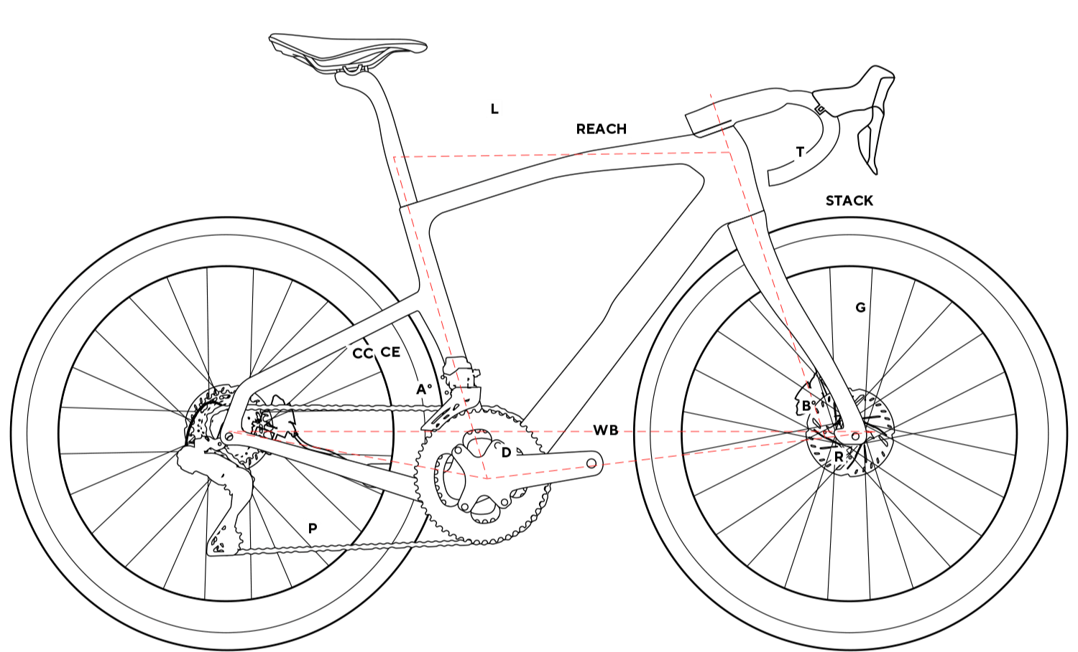
fork_offset_rake | R | 55 | 55 | 55 | 50 | 50 | 50
axle_crown | G | 405 | 405 | 405 | 405 | 405 | 405
wheelbase | WB | 1023.5 | 1034.2 | 1047 | 1043 | 1053.1 | 1065.5
reach | REACH | 368.4 | 376.1 | 383.7 | 390.4 | 398.2 | 406.9
stack | STACK | 553.2 | 568.3 | 583.2 | 598.4 | 613.6 | 633.7
standover
trail
stem_length
handlebar_width
crank_length
frame_weight
wheel_size |  | 700 | 700 | 700 | 700 | 700 | 700
tire_width_spec |  | 45 | 45 | 45 | 45 | 45 | 45
tire_width_max |  | 50 | 50 | 50 | 50 | 50 | 50
rider_min
rider_max

